Lit. Reference
Literature Review

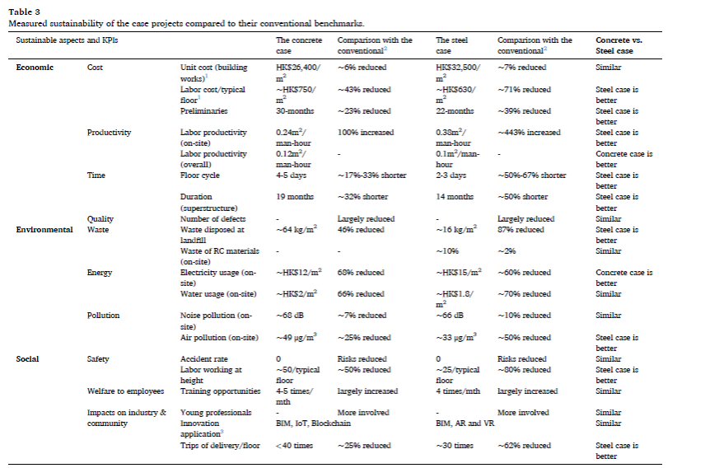

AISC Emission
AISC Structural Steel Industry EPD reference - A3 GWP

 | Model Input
Microsoft Word - AISC Fabricated Sections EPD 20210309 | 96.7 | kg
 | 0.10 | MT
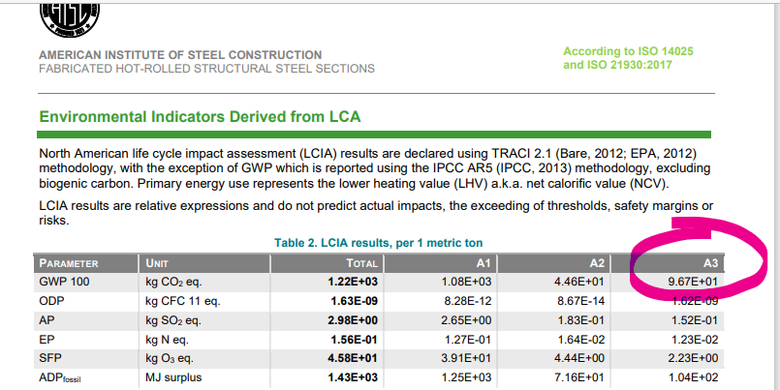
 | 0.11 | ton

Industry references
structural_steel_industry_overview_2018
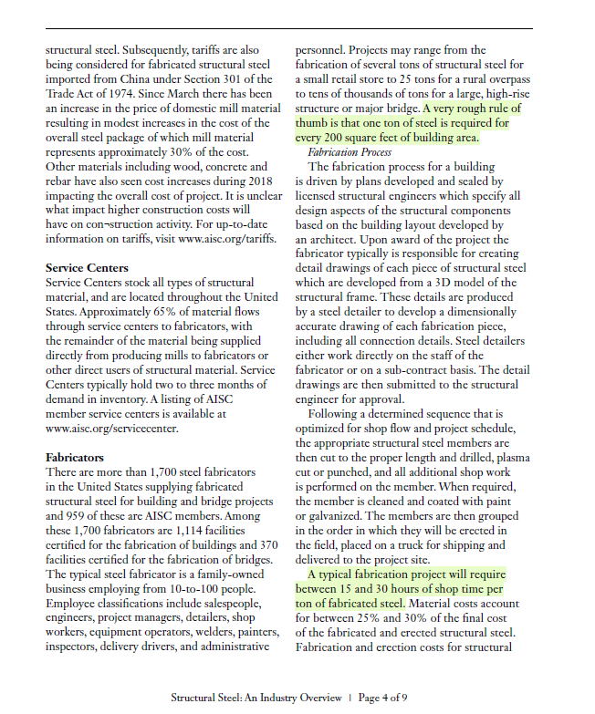

 |  |  |  |  | https://www.structuralsteelfabricators.com.au/structural-steel-fabrication-hours-per-ton/

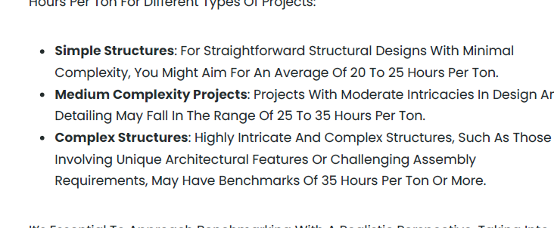

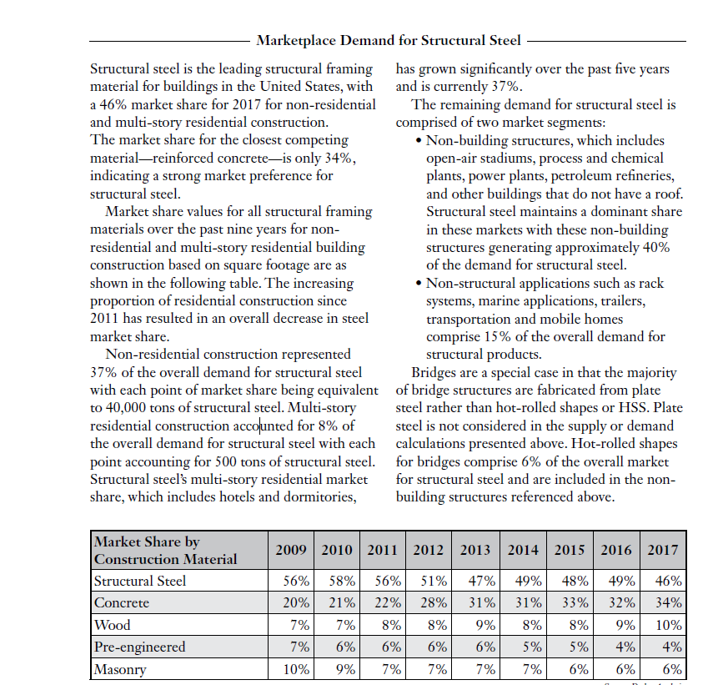

 |  | Steel Sold in US 2024 | 88,000,000 | tons
 |  | % used for multi story buildings

https://gmk.center/en/infographic/top-30-largest-steel-producers-in-the-world-industry-leaders-in-2024/#:~:text=Exclusive%20TOP%2D30%20largest%20steel,Korea)%20%E2%80%93%2037.97%20million%20tons;

 |  |  |  | 129,348,000

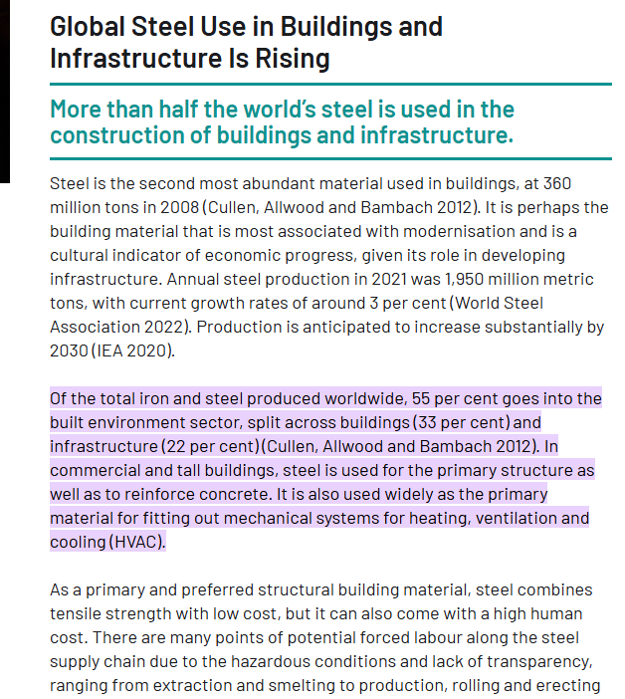
 | https://globalabc.org/buildingmaterialsandclimate/chapter-5-improve/5-3-steel.html#:~:text=Of%20the%20total%20iron%20and,ventilation%20and%20cooling%20(HVAC).
 | https://gmk.center/en/infographic/top-30-largest-steel-producers-in-the-world-industry-leaders-in-2024/#:~:text=Exclusive%20TOP%2D30%20largest%20steel,Korea)%20%E2%80%93%2037.97%20million%20tons;

Zamil Study
3rd Party Fabricator Analysis Metrics - ConXtech vs Conventional
Zamil PowerPoint - ConXtech 1st Project OPE Performance 1.ppt
